Checklist
Code Review Checklist

Project Code: Academic Exodus
Version of the work product: 0.21
Reviewer(s): Matt Dingman, Phil Brehart, David Melanson

Development Task | Yes | No | N/A | Note | Priority | Severity
Problem Description
Software meets requirements |  | X |  | Meets some but not all | Mandatory | 2
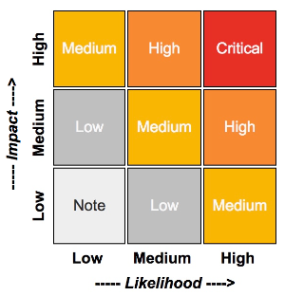
Software is improvement to last code base | X |  |  |  | Mandatory | 3

Commenting |  |  |  |  | Mandatory | 3
Are comments up to date? | X |  |  |  | Mandatory | 3
Are comments clear and correct? | X |  |  |  | Mandatory | 2
Do the comments focus on explaining why, and not how? |  | X |  | Mixed | Preferred | 3
Is the purpose of each operation commented? |  | X |  | Where necessary | Preferred | 3
Are other relevant facts about each operation commented? | X |  |  |  | Preferred | 3

Is the operation too long, and can it be simplified by reducing the number of decision points? (A decision point is a statement where the code can take different paths, for example, if-, else-, and-, while-, and case-statements.) |  | X |  |  | Preferred | 4
Are there general description for the uninterrupted software coding paragraphs ? |  | X |  |  | Preferred | 4
Are variable names different from other object names? | X |  |  |  | Mandatory | 2
Are functions named in a common way? | X |  |  |  | Preferred | 3
Are global functions differentiated from local functions by name? | X |  |  |  | Mandatory | 1
Is the way of naming folders and libraries identified in designing document? |  |  | X |  | Preferred | 4
Are Folder names and types in conformity with the content and standard of developing tools? |  |  | X |  | Preferred | 4

* Comments
Code adds functionality as compared to previous code base and is a large improvement from rev0.20

* Suggestion

[ X ] - Pass
[ ] - Review again
[ ] - Other

*Severity
1 - Critical
2 - High
3 - Medium
4 - Low

